Disponibilità


Immagini | Articolo | Descrizione |  | 100% COTONE
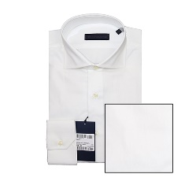 | S32C076T4641W001 | CAMICIA SLIM FIT COLLO 384 | 2054 | MADE IN TUNISIA
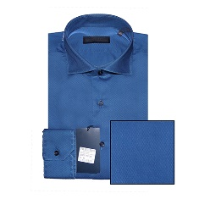 | S32C076T4786R713 | CAMICIA SLIM FIT COLLO 384 | 375
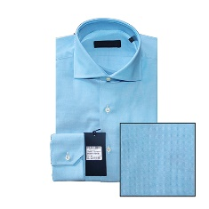 | S32C076T4790G020 | CAMICIA SLIM FIT COLLO 384 | 84
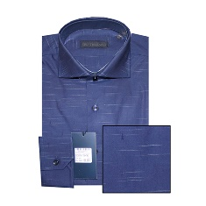 | S32C076T4790G680 | CAMICIA SLIM FIT COLLO 384 | 37
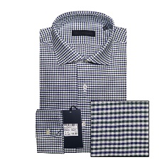 | S32C076T4791W200 | CAMICIA SLIM FIT COLLO 384 | 47
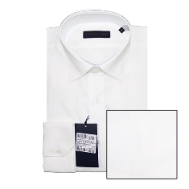 | S32C077T4637W001 | CAMICIA SLIM FIT COLLO 394 BD NASC. | 78
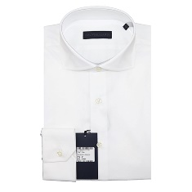 | S32C078T3275W001 | CAMICIA SLIM FIT COLLO 386 | 351
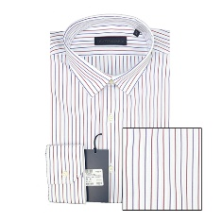 | S32C124T4291U617 | CAMICIA SLIM FIT COLLO GANI | 133
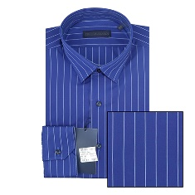 | S32C124T4292U301 | CAMICIA SLIM FIT COLLO GANI | 120
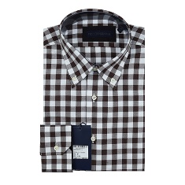 | S32C127T4204B150 | CAMICIA SLIM FIT COLLO 396 B.D. | 84
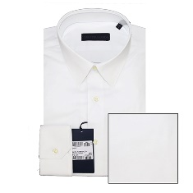 | 32C001401T003550 | CAMICIA SLIM FIT COLLO PLINK | 316
 | 32C000781T003275 | CAMICIA SLIM FIT COLLO 386 | 234
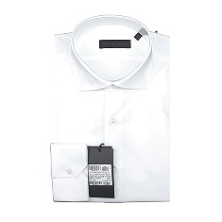 | 32C001031T003873 | CAMICIA SLIM FIT COLLO 393 | 561
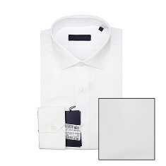 | 32C000761T003873 | CAMICIA SLIM FIT COLLO GIGLI | 650
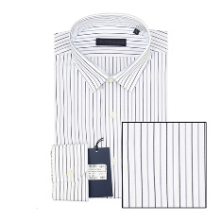 | 32C000761T003881 | CAMICIA SLIM FIT COLLO 384 | 794
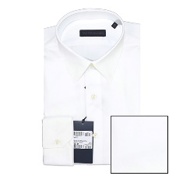 | 32C001401T003551 | CAMICIA SLIM FIT COLLO PLINK | 337
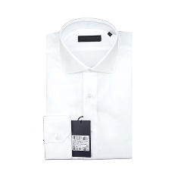 | 32C001031T002787 | CAMICIA SLIM FIT COLLO 393 | 926
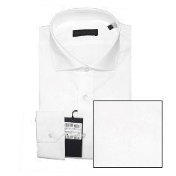 | 32C000761T002787 | CAMICIA SLIM FIT COLLO 384 | 1342
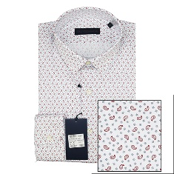 | 32C001241T004311 | CAMICIA SLIM FIT COLLO GANI | 121
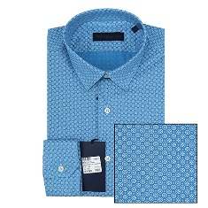 | 32C001241T004308 | CAMICIA SLIM FIT COLLO GANI | 132
 | S32C076T4641 | CAMICIA SLIM FIT COLLO 384 | 323
 | S32C124T4292U301 | CAMICIA SLIM FIT COLLO GANI | 120
 |  | Totale CAMICIA M,/L | 9219

